Summary
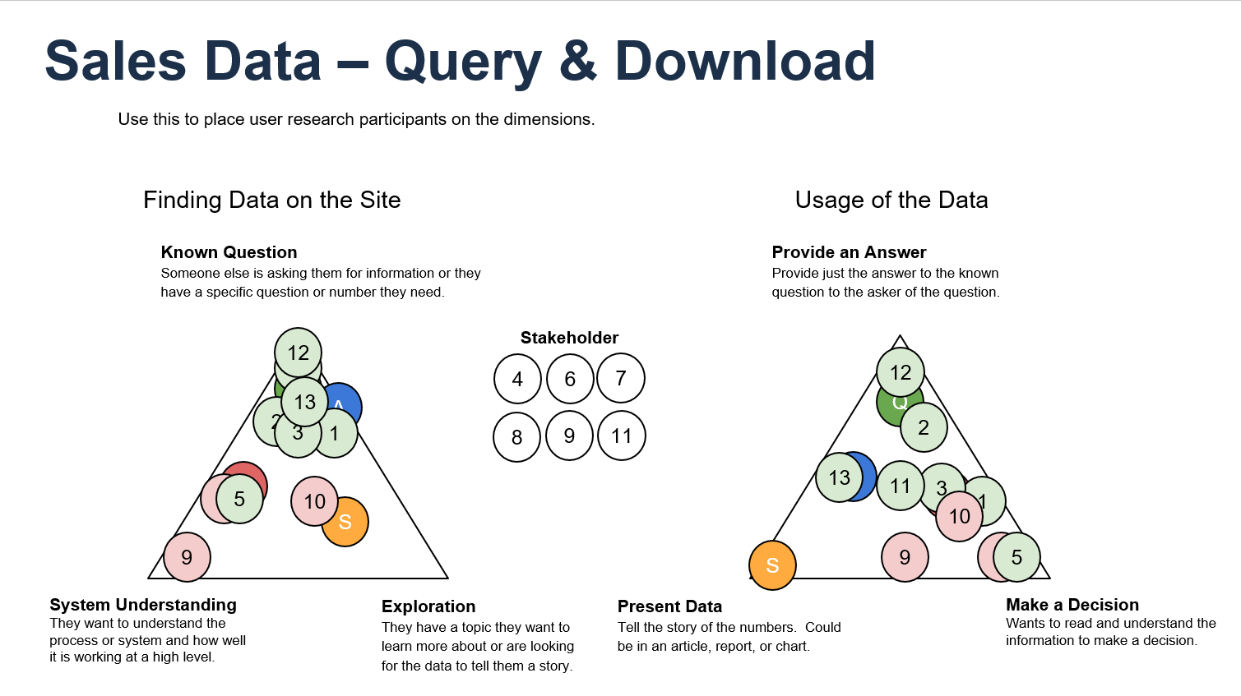
In October 2023, ODDD was tasked with adding sales data to the NRRD site. The team utilized design studios to gather SME input and designed new pages to accommodate sales data into the data download, query, and explore sections of the website. This study looked at the Query and Data Download pages that resulted from those design studios.
In January 2024, we held 13 user interviews with 2 user types for NRRD: Question Answers and Domain Learners. We also included stakeholders that are not represented by the NRRD user types but have a high level of both power and interest in the addition of sales data to the NRRD site. The participants included ONRR employees DOI economists; and one representative from STRAC – all of whom either work with users of sales data, work with sales data themselves, work with similar data, or have a vested interest in sales data. It has not yet been publicly announced that we are adding this data to the website, so we are limited to working with ONRR and close DOI partners.
The feedback was vast, providing lots of information that will lead to many improvements before these pages go live, and some that will continue to be worked on after launch. Broader issues such as whether users understand this dataset, and the use cases for this dataset, will be explored once the dataset is made publicly available and we can do user research with a participant pool that is both wider in terms of not limited to ONRR, but also more specific in terms of the intended audiences for the Data Download and Query pages.
Recommendations and Opportunities:
•Check definitions against ONRR data governance definitions
•Keep decimals but in the future we will have a display standard from data governance.
•Add term "onshore" to sentence about federal land in the scope section of DD page
•Change "NGL" to "NGLs"
•Define acronym for "TC" before it is used in the Scope section
•Improve definitions for sales value and sales volume. Value = Would prefer - The total value of resources sold in US dollars
•Refer to DORC - Data quality issue related to land category; ODDD should be aware of this.
•A stakeholder of major importance would like sales data query tool in the data download page itself, not just in the top menu
•Explore use of the term "citation" in the process diagram - resources could be a better term?
•One user requested links in the citation area of the process diagram to the BLM serial register page. Explore relevance and possibility.
•Data process diagram: Explore a more descriptive title, ways to indicate that the steps and how the steps feed into substeps. One user suggested an indent.
•Discuss with DORC that users preferred the calendar year, fiscal year, and monthly options of data.
•Add an "as of" date of when the data was published to the DD page. Data publication section.
•Discuss with leadership that users who were not familiar with the dataset do not think that the name, Sales Data, accurately describe this dataset. Only a few people with previous knowledge of this dataset think that the name, Sales Data, accurately describes the dataset.
•Make dataset name consistent across NRRD pages.
•Switch position of Sales Value and Sales Volume columns.
•Move the location of the Add a Column button. Consider adding more information via label or hover over.
•Make a submit button so users can make all filter selections before Query table loads.
•Keep the most important information in the diagram and above the diagram in the Data Download page.
•N/A - further define in the note* to add that it doesn't total because there are different units of value.
•Add product code code table. Emphasize the commodities in the top of the page (i.e. in a bulleted list or a separate subsection).
•Explore how to include Mcf in query table (i.e. toggle).
•Explore providing information about commodities included in the Query tool (i.e. subtitle or change dataset name).
•Review DD page with the target user in mind (someone new to dataset and unfamiliar with OIG request). Potentially, create clearer connection/relationship between 2014 and sales data.
•Reconsider presentation of the royalty due equation
•Explore more ways to make sections or important information on the DD page catch the users eye
Overall, users like the layout, the aesthetic design, the functionality of both pages, and the data itself.
“I couldn’t do my job without your data. I appreciate you all have data I can rely upon." -- User 11
We found the aspect that most users struggled with is understanding what this dataset includes or excludes, and the details of why. To address this, we have rated the recommendations that increase understanding of this dataset as the most impactful, and we are working to make these improvements before launch. We will continue to work on the less impactful recommendations after the sales data is live.

Mapping
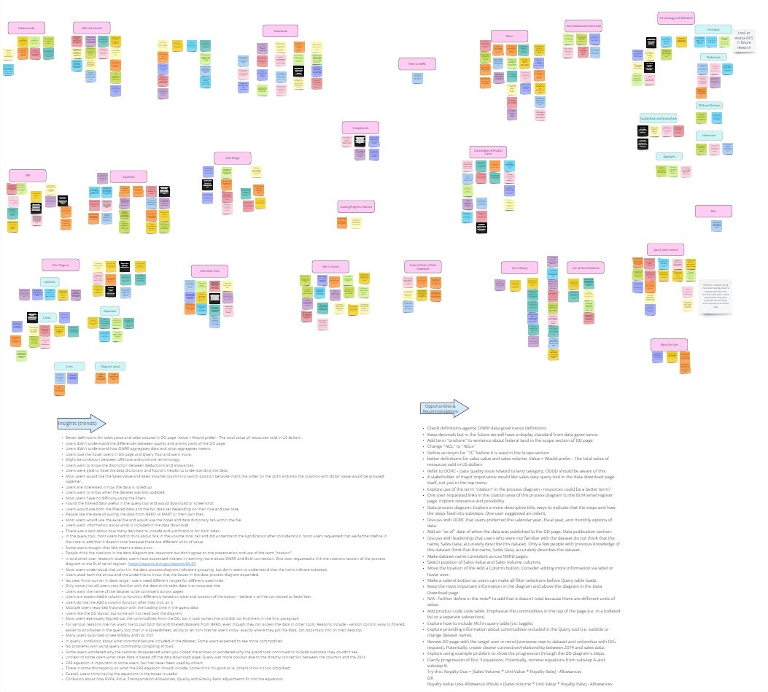
Affinity Map

